1
Photo | Article | Model | XXL | Total | RRP/UVP
 | CY9904 | Adidas Z.N.E. Fast Release Hoodie - White/Grey | 250 | 250 | € 90.00
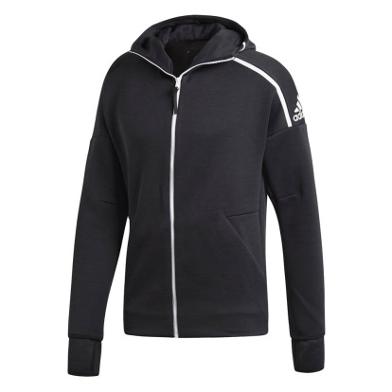 | DM5543 | Adidas Z.N.E. Fast Release Hoodie - Black | 500 | 500 | € 90.00
 |  |  |  | 750

